Sheet1
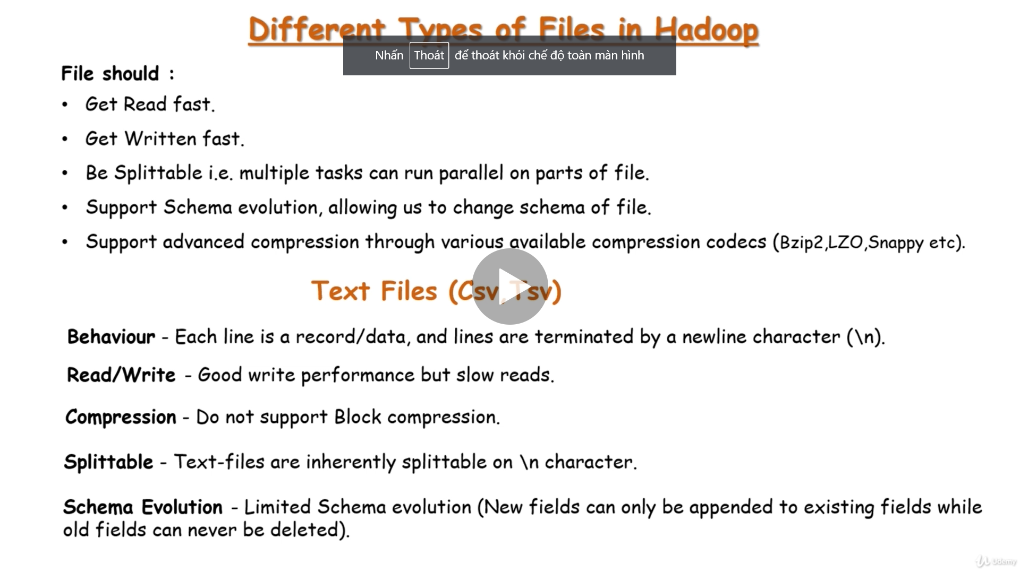
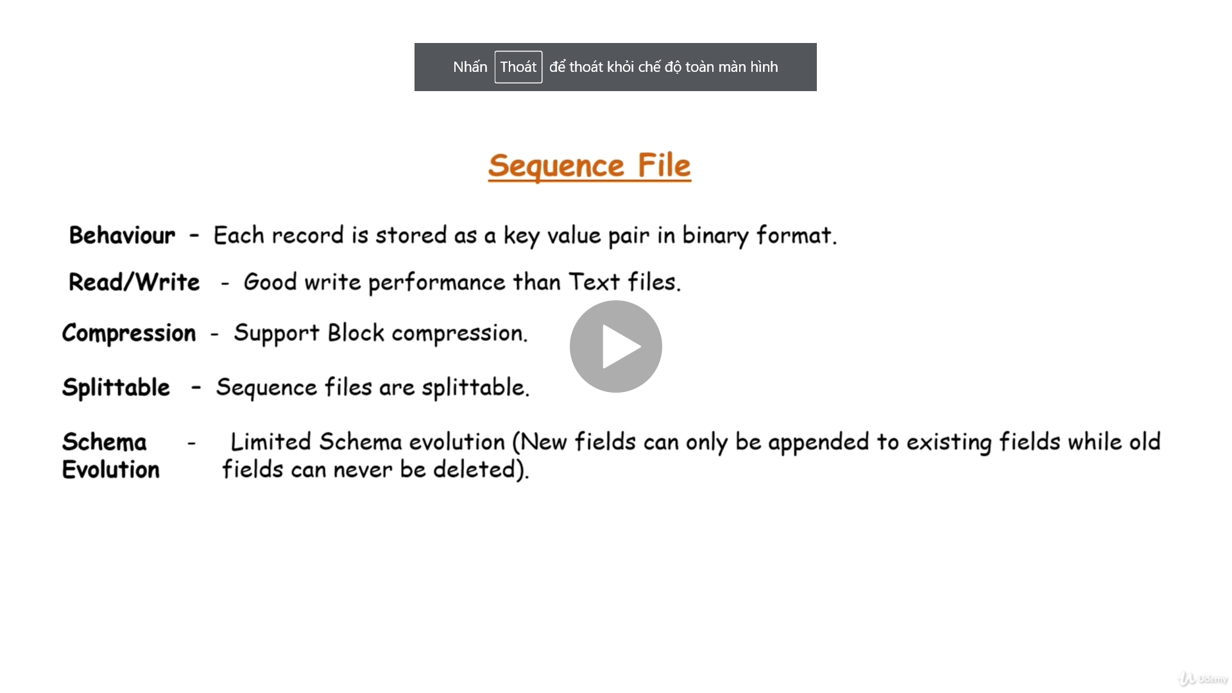

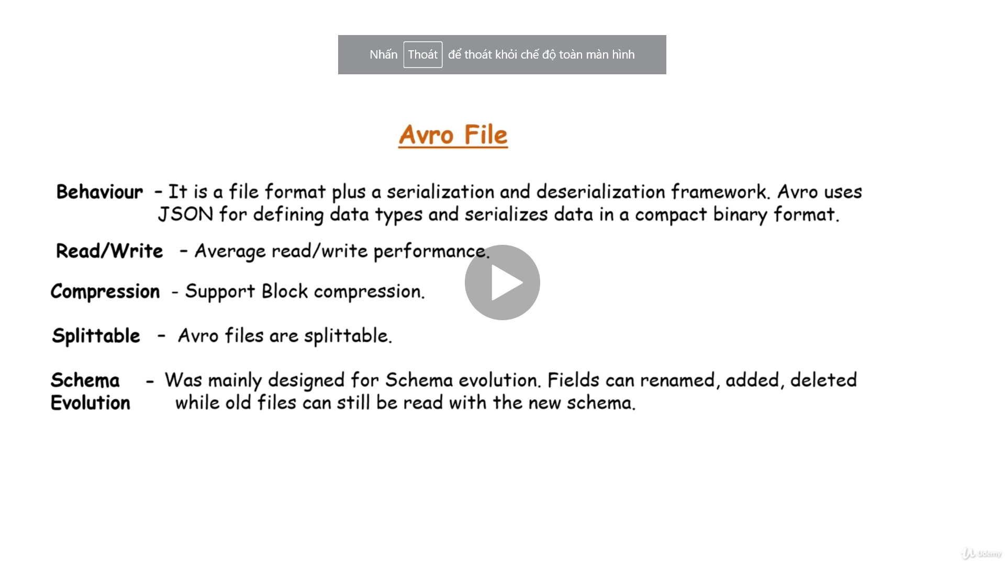

text files are one of the slowest file formats to read

 | it also has good reading performance when it comes to reading full rows of data.

 | Sequence files support block level compression, so you can compress the contents of the file and save a good amount of space

 | They're also splittable, so you can split the file into segments and assign them to multiple task

 | if you want to remove some fields, you have to manually recreate another file with the new modified fields

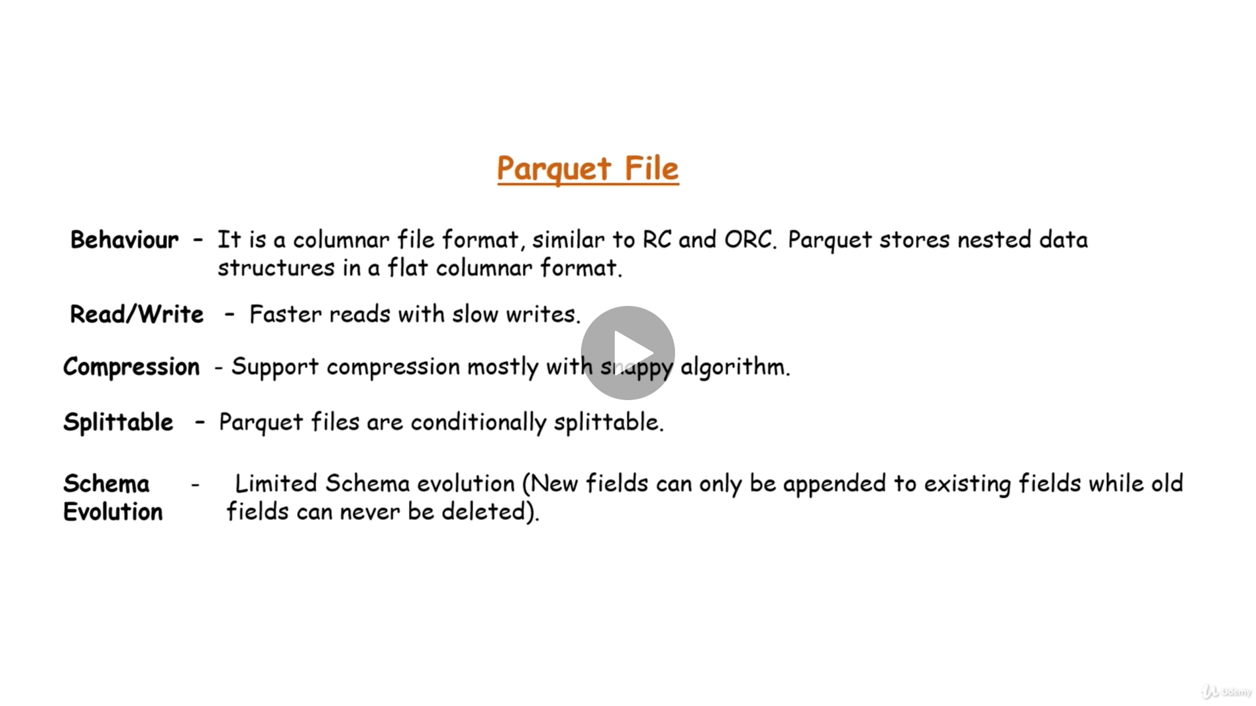

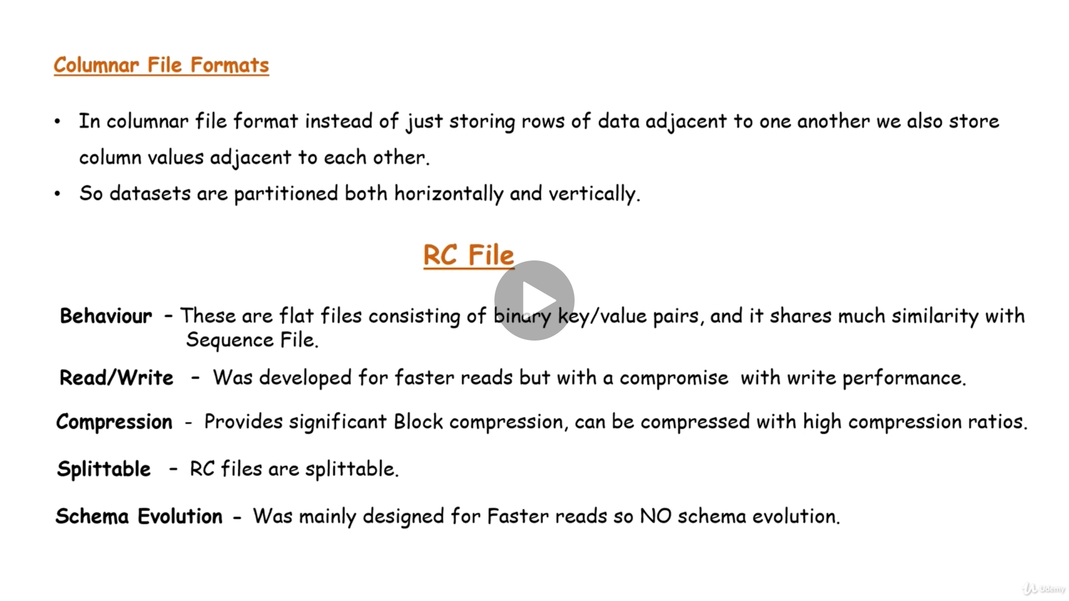
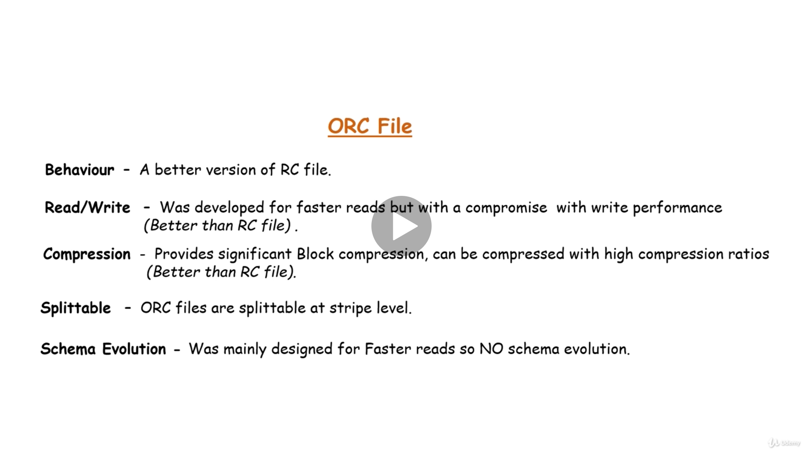

RC files are good and known for faster reads, but writing an RC file requires more memory and computation than non-columnar file formats.

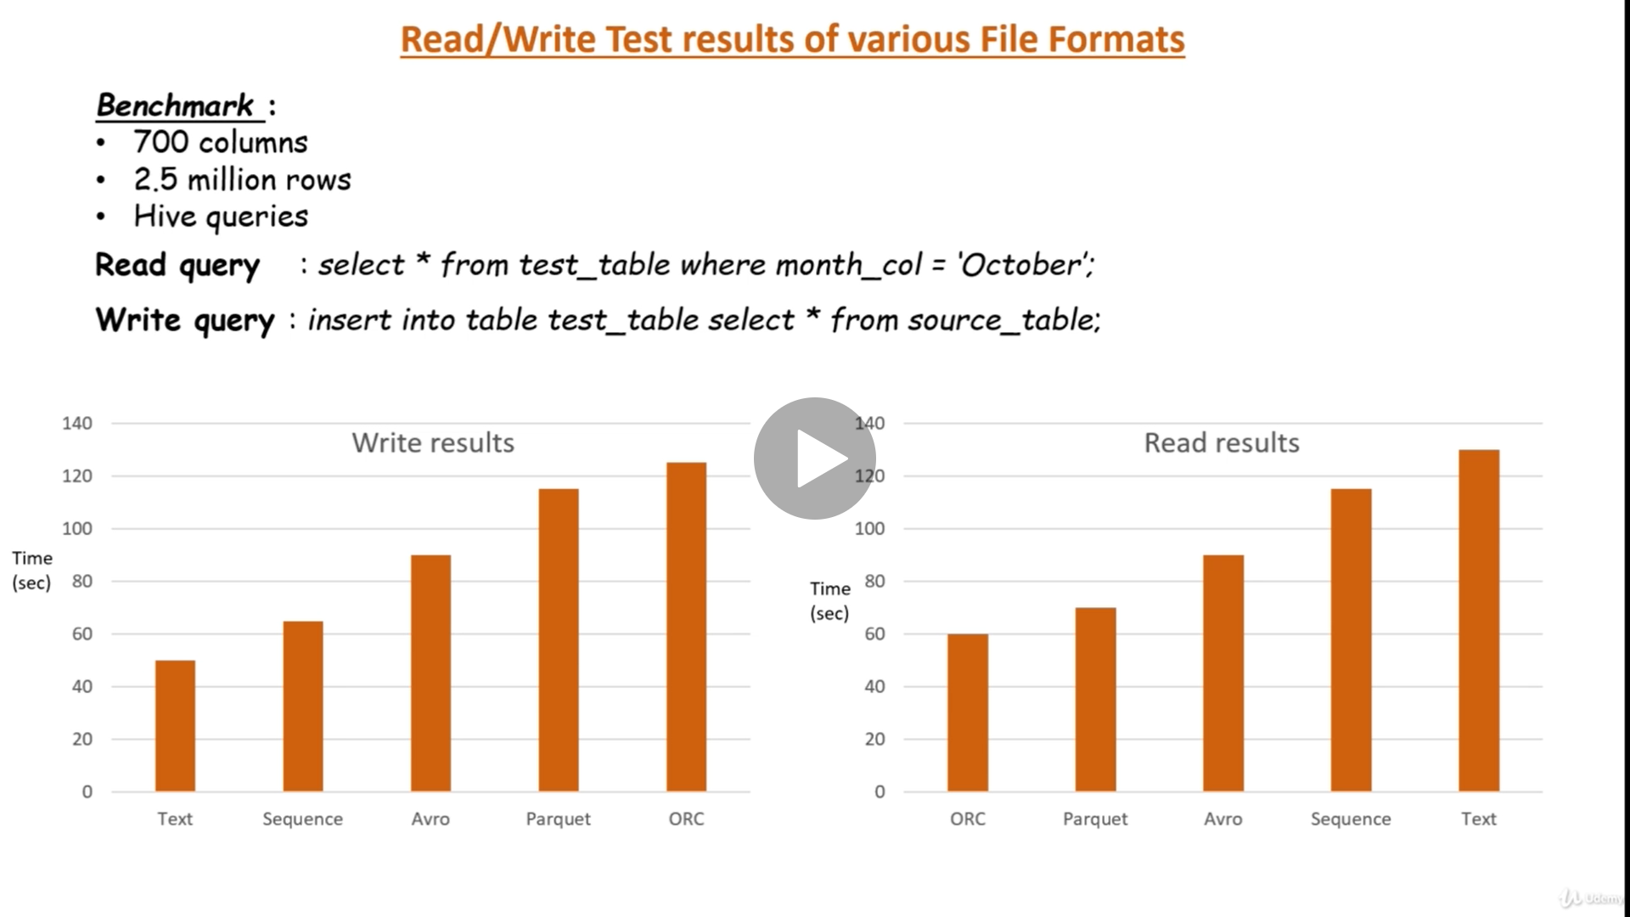
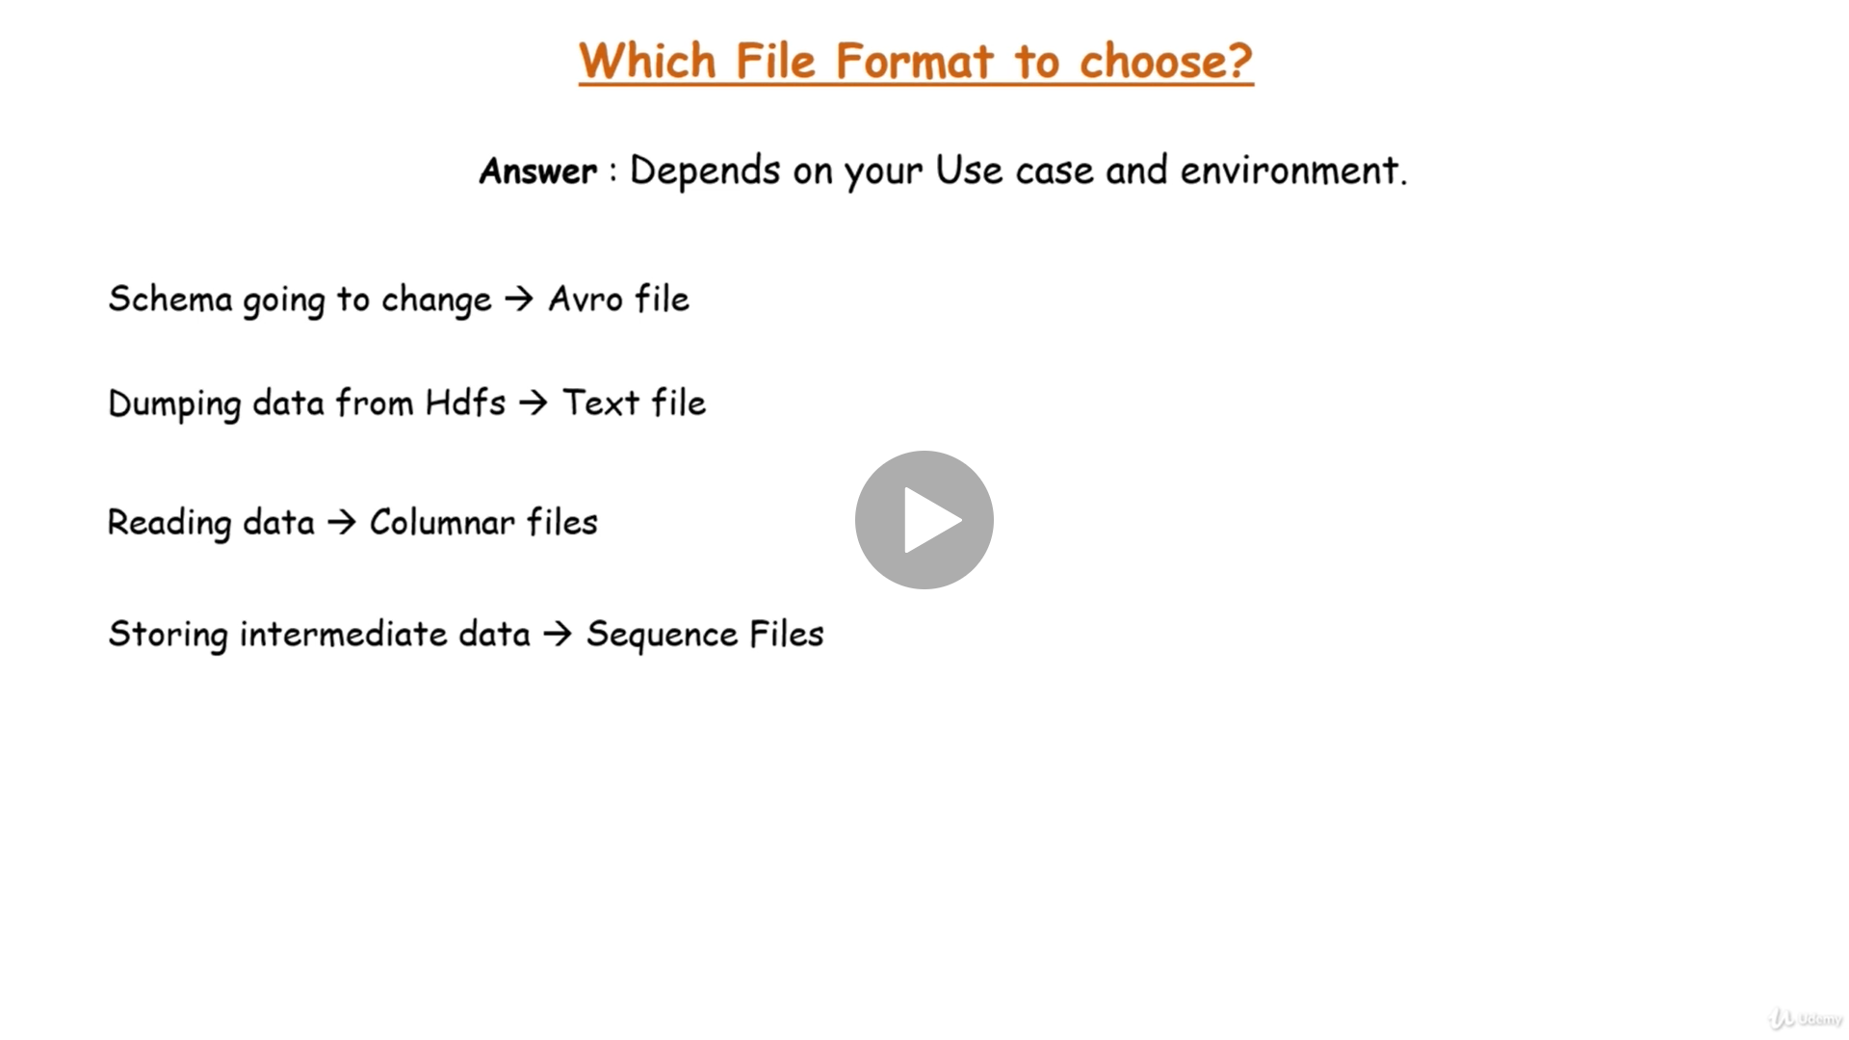

 |  | file schema thay đổi thường xuyên -> avro file
 |  | most of the time you are dumping data from HDFS or a database, basically it means there are a lot of write operations, then go for text file, it is the best for writes.
 |  | Then if you are storing intermediate(trung gian) data between MapReduce jobs, then sequence files are preferred(ưa thích), as they are in binary format so it gets transferred on network with high-speed (được truyền trên mạng với tốc độ cao)

 |  | Cloudera supports usage of parque file format, while Hortonworks favors ORC

